Sheet1
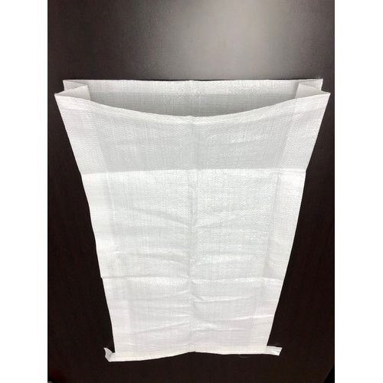
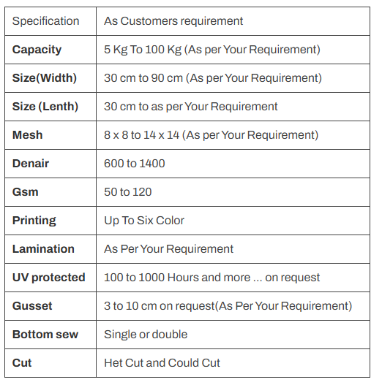
In simple terms, gusset bag or gusseted bag or pouch is a
flexible bag or pouch equipped with an extra flap of
material on certain areas. Gussets are physical
extensions (of extra material) that provide additional room
and enhance the bag's structure.

